Dinner
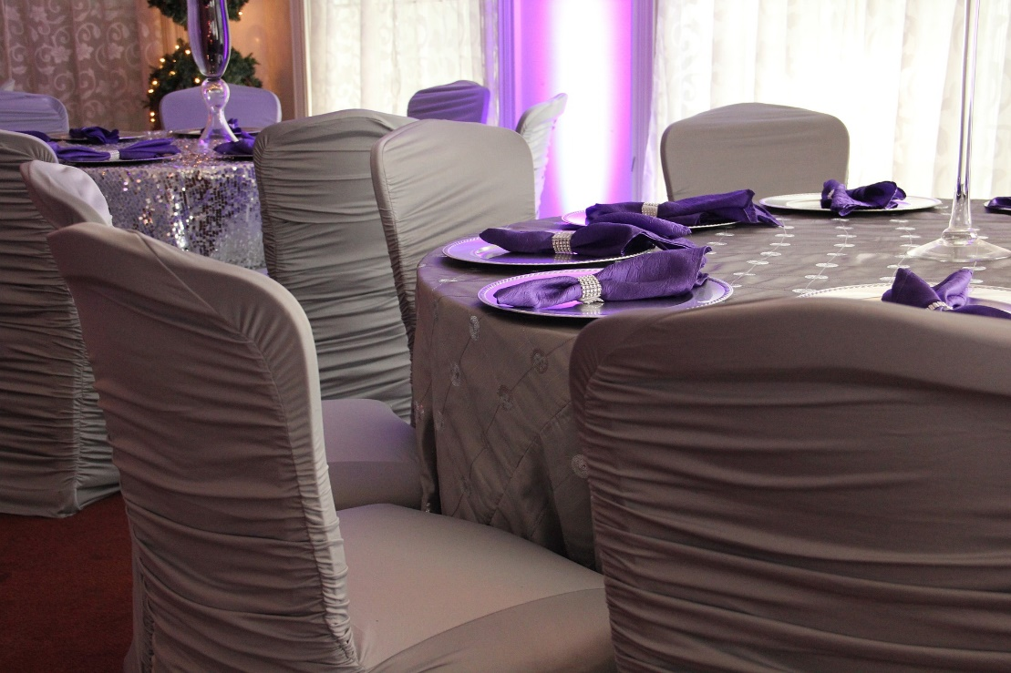
Guests | 204

Seats per Table | 8

Remaining (MOD) | 4

Guests ÷ Tables | 25.5

Tables Needed | 25

